shaes
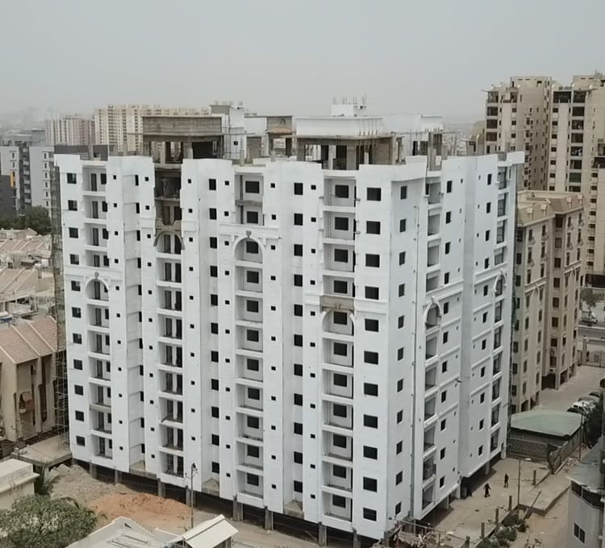
CHECKLIST FOR DATA COLLECTION OF CONSTRUCTION HEAVY MACHINERY

PROJECT DETAILS |  |  |  | FOCAL PERSON DETAILS

Project Name | Kings Shaes Residency |  |  | Focal Person Name |  |  | Rafi Jafri
Site Location | Block 3 A, Gulistan-e-Jouhar |  |  | Working Position |  |  | Site Engineer
No of story of Project | G+10 |  |  | E-mail Address |  |  | -
 |  |  |  | Contact Number |  |  | 0333-4655657

SITE ON GOING EQUIPMENT INFORMATION

PHASE/STAGE OF CONSTUCTION |  | Equipment | Work |  | New/Old | Fuel Type | FUEL Consumption | Hours operated | Emission Factor | Carbon Footprint | Unit
 |  | Name |  |  |  | diesel/petrol | liter/day

 |  | Backhoe | - |  | - | - | - | -
Site Clearance |  | Wheel Tractor Scrapers | - |  | - | - | - | -
 |  | Bulldozers | - |  | - | - | - | -
 |  | Dewatering Pump | - |  | - | - | - | -
 |  | Loader | Moving Soil / Rocks |  | Old | Diesel | 30 | 2 | 2.64 | 79.2 | Kg of CO2
 |  | Dumper | Dumping Soil |  | Old | Diesel | 40 | 6 | 2.64 | 105.6 | Kg of CO2

Excavation |  | Excavators Excavators Excavators Excavators | Excavation |  | Old | Diesel | 95 | 7 | 2.64 | 250.8 | Kg of CO2
 |  | Dumper | Moving excavated soil |  | Old | DIesel | 40 | 6 | 2.64 | 105.6 | Kg of CO2
 |  | Dewatering Pump | Getting rid of water |  | Old | DIesel | 2.5 | 4 | 2.64 | 6.6 | Kg of CO2
 |  | Bulldozer | - |  |  |  | - | -

Foundation |  | Concrete Mixer | - |  | - | - | - | -
 |  | Pile diver | - |  | - | - | - | -
 |  | Trencher | - |  | - | - | - | -
 |  | Transit Mixer | Concreting |  | Old | Diesel | 90 | 8 | 2.64 | 237.6 | Kg of CO2
 |  | Static Pump | Concreting |  | Old | Diesel | 150 | 6 | 2.64 | 396 | Kg of CO2

Sub Structure Work |  | Mixer | Mixing Concrete |  | Old | Diesel | 45 | 6 | 2.64 | 118.8 | Kg of CO2
 |  | Vibrator | Proper Compaction |  | Old | Diesel | 50 | 5 | 2.64 | 132 | Kg of CO2

beam , wall , column construction |  | Mixer | Mixing Concrete |  | Old | Diesel | 40 | 5 | 2.64 | 105.6 | Kg of CO2
 |  | Vibrator | Proper Compaction |  | Old | Diesel | 30 | 3 | 2.64 | 79.2 | Kg of CO2

Floor slab construction |  | Mixer | Mixing Concrete |  | Old | Diesel | 60 | 8 | 2.64 | 158.4 | Kg of CO2
 |  | Vibrator | Proper Compaction |  | Old | Diesel | 45 | 4 | 2.64 | 118.8 | Kg of CO2
 |  | Paver | - |  | - | - | - | -
 |  | Mobile Pump | Concreting |  | Old | Diesel | 120 | 6 | 2.64 | 316.8 | Kg of CO2
Any other work:

Generator |  |  |  |  | Old | Diesel | 25 | 4 | 2.35 | 58.75 | Kg of CO2

Total Carbon Footprint |  |  |  |  |  |  |  |  |  | 2269.75 | Kg of CO2

Movement Of Equipment |  | Work | Distance Traveled

Dumper |  | Dumping Soil | Within 3 Km Radius

centric
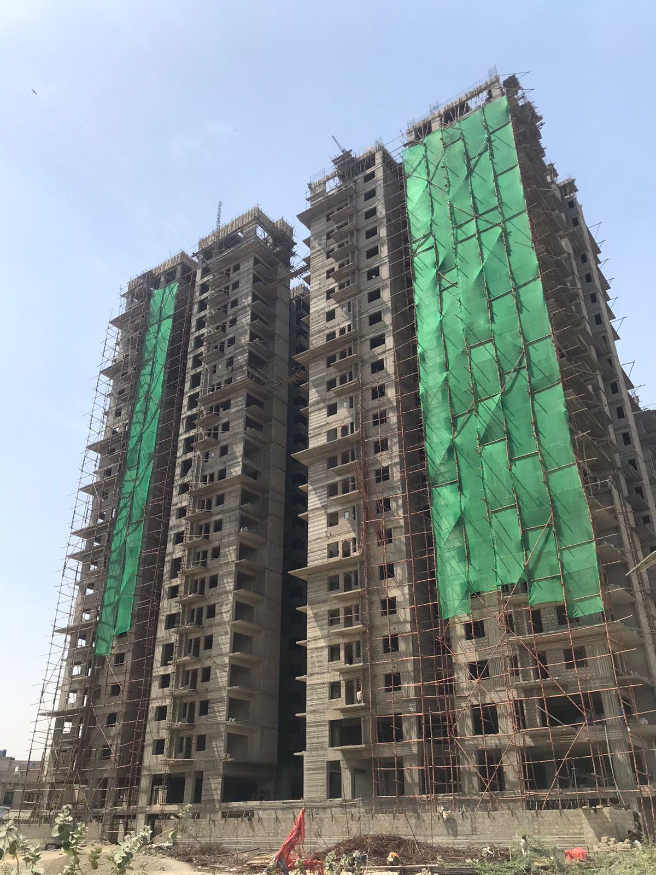
CHECKLIST FOR DATA COLLECTION OF CONSTRUCTION HEAVY MACHINERY

PROJECT DETAILS |  |  |  | FOCAL PERSON DETAILS

Project Name | Centric Tower |  |  | Focal Person Name |  |  | Faisal Ahmed
Expected Project Duration | 60 months |  |  | Working Position |  |  | Site Supervisor
No of story of Project | 2B+G+22 |  |  | E-mail Address |  |  | -
 |  |  |  | Contact Number |  |  | 0312-2551674

SITE ON GOING EQUIPMENT INFORMATION

PHASE/STAGE OF CONSTUCTION |  | Equipment | Work |  | New/Old | Fuel Type | FUEL Consumption | Hours operated | Emission Factor | Carbon Footprint | Unit
 |  | Name |  |  |  | diesel/petrol | liter/day

 |  | Backhoe | - |  | - | - | - | -
Site Clearance |  | Wheel Tractor Scrapers | - |  | - | - | - | -
 |  | Bulldozers | - |  | - | - | - | -
 |  | Dewatering Pump | - |  | - | - | - | -
 |  | loader | - |  | - | - | - | -
 |  | Dumper | Moving stuff around |  | Old | Diesel | 22 | 6 | 2.64 | 58.08 | Kg of CO2

Excavation |  | Excavators Excavators Excavators Excavators | Moving Dirt |  | Old | Diesel | 180 | 10 | 2.64 | 475.2 | Kg of CO2
 |  | Dumper | Moving stuff around |  | Old | DIesel | 30 | 8 | 2.64 | 79.2 | Kg of CO2
 |  | Dewatering Pump | Getting rid of water |  | Old | DIesel | 8 | 2 | 2.64 | 21.12 | Kg of CO2
 |  | Bulldozer | To push and dig soil |  | Old | Diesel | 60 | 3 | 2.64 | 158.4 | Kg of CO3

Foundation |  | Concrete Mixer | - |  | - | - | - | -
 |  | Pile diver | - |  | - | - | - | -
 |  | Trencher | - |  | - | - | - | -
 |  | Transit Mixer | Moving Concrete |  | Old | Diesel | 80 | 8 | 2.64 | 211.2 | Kg of CO2
 |  | Stationary Pump | Transfer liquid concrete |  | Old | Diesel | 100 | 24 | 2.64 | 264 | Kg of CO2

Sub Structure Work |  | Mixer | Mixing Concrete |  | Old | Diesel | 72 | 12 | 2.64 | 190.08 | Kg of CO2
 |  | Vibrator | Shaking Concrete |  | Old | Diesel | 40 | 4 | 2.64 | 105.6 | Kg of CO2

beam , wall , column construction |  | Mixer | Mixing Concrete |  | Old | Diesel | 60 | 10 | 2.64 | 158.4 | Kg of CO2
 |  | Vibrator | Shaking Concrete |  | Old | Diesel | 20 | 2 | 2.64 | 52.8 | Kg of CO2

Floor slab construction |  | Mixer | Mixing Concrete |  | Old | Diesel | 60 | 10 | 2.64 | 158.4 | Kg of CO2
 |  | Vibrator | Shaking Concrete |  | Old | Diesel | 30 | 3 | 2.64 | 79.2 | Kg of CO2
 |  | Paver | - |  | - | - | - | -

Any other work:

Total Carbon Footprint |  |  |  |  |  |  |  |  |  | 2011.68 | Kg of CO2

Movement Of Equipment |  | Work | Distance Traveled

Dumper |  | Dumping Soil | Within 5 Km Radius
Transit Mixer |  | Transporting Concrete | 0 km

fl-07
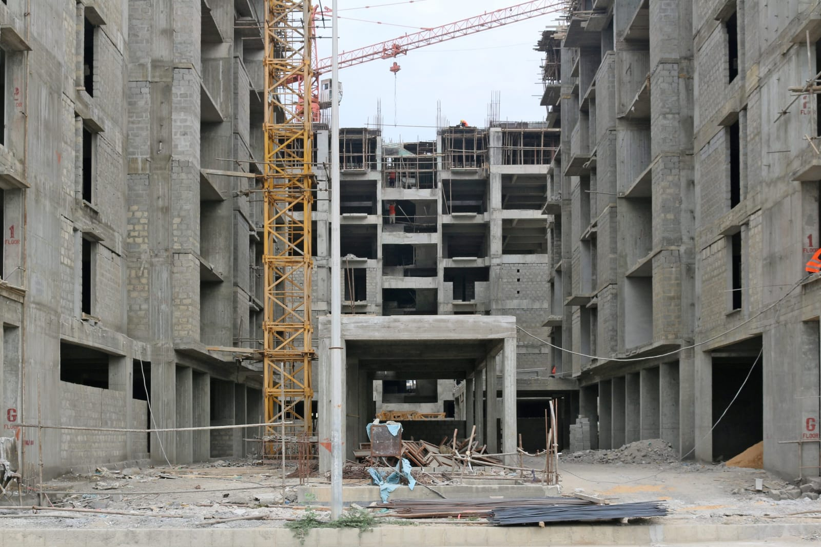
CHECKLIST FOR DATA COLLECTION OF CONSTRUCTION HEAVY MACHINERY

PROJECT DETAILS |  |  |  | FOCAL PERSON DETAILS

Project Name | FL-07 |  |  | Focal Person Name |  |  | Uzair Hussain
Expected Project Duration | 60 months |  |  | Working Position |  |  | Site Engineer
No of story of Project | 2B+G+16 |  |  | E-mail Address |  |  | -
 |  |  |  | Contact Number |  |  | 0344-8035705

SITE ON GOING EQUIPMENT INFORMATION

PHASE/STAGE OF CONSTUCTION |  | Equipment | Work |  | New/Old | Fuel Type | FUEL Consumption | Hours operated | Emission Factor | Carbon Footprint | Unit
 |  | Name |  |  |  | diesel/petrol | liter/day

 |  | Backhoe | - |  | - | - | - | -
Site Clearance |  | Wheel Tractor Scrapers | - |  | - | - | - | -
 |  | Bulldozers | - |  | - | - | - | -
 |  | Dewatering Pump | - |  | - | - | - | -
 |  | loader | Moving Soil |  | Old | Diesel | 40 | 2 | 2.64 | 105.6 | Kg of CO1
 |  | Dumper | Moving stuff around |  | Old | Diesel | 25 | 7 | 2.64 | 66 | Kg of CO2

Excavation |  | Excavators Excavators Excavators Excavators | Moving Dirt |  | Old | Diesel | 120 | 8 | 2.64 | 316.8 | Kg of CO2
 |  | Dumper | Moving stuff around |  | Old | DIesel | 40 | 10 | 2.64 | 105.6 | Kg of CO2
 |  | Dewatering Pump | Getting rid of water |  | Old | DIesel | 8 | 4 | 2.64 | 21.12 | Kg of CO2
 |  | Bulldozer | To push and dig soil |  | Old | Diesel | 60 | 5

Foundation |  | Concrete Mixer | - |  | - | - | - | -
 |  | Pile diver | - |  | - | - | - | -
 |  | Trencher | - |  | - | - | - | -
 |  | Transit Mixer | Moving Concrete |  | Old | Diesel | 70 | 10 | 2.64 | 184.8 | Kg of CO2
 |  | Stationary Pump | Transfer liquid concrete |  | Old | Diesel | 100 | 20 | 2.64 | 264 | Kg of CO2

Sub Structure Work |  | Mixer | Mixing Concrete |  | Old | Diesel | 100 | 12 | 2.64 | 264 | Kg of CO2
 |  | Vibrator | Shaking Concrete |  | Old | Diesel | 50 | 6 | 2.64 | 132 | Kg of CO2

beam , wall , column construction |  | Mixer | Mixing Concrete |  | Old | Diesel | 50 | 10 | 2.64 | 132 | Kg of CO2
 |  | Vibrator | Shaking Concrete |  | Old | Diesel | 40 | 4 | 2.64 | 105.6 | Kg of CO2

Floor slab construction |  | Mixer | Mixing Concrete |  | Old | Diesel | 100 | 10 | 2.64 | 264 | Kg of CO2
 |  | Vibrator | Shaking Concrete |  | Old | Diesel | 50 | 4 | 2.64 | 132 | Kg of CO2
 |  | Paver | - |  | - | - | - | -

Any other work:

Total Carbon Footprint |  |  |  |  |  |  |  |  |  | 2093.52 | Kg of CO2

Movement Of Equipment |  | Work | Distance Traveled

Dumper |  | Dumping Soil | Within 5 Km Radius
Transit Mixer |  | Transporting Concrete | 0 km

fl-04
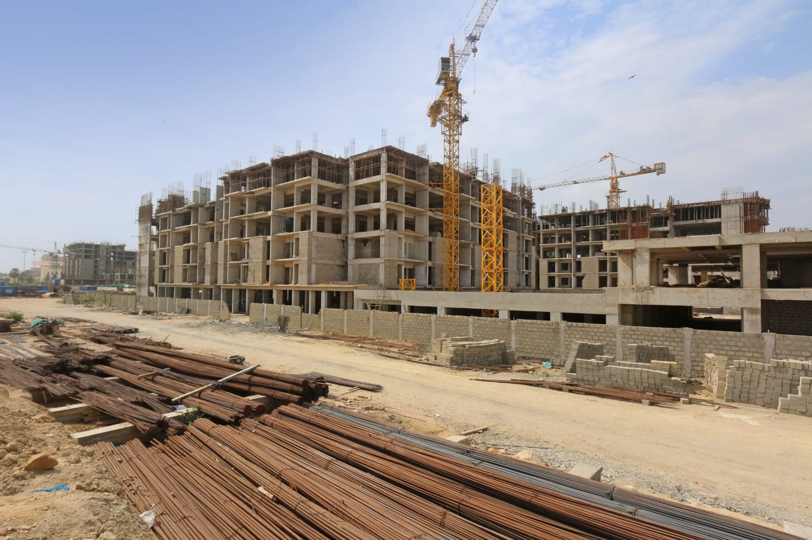
CHECKLIST FOR DATA COLLECTION OF CONSTRUCTION HEAVY MACHINERY

PROJECT DETAILS |  |  |  | FOCAL PERSON DETAILS

Project Name | FL-04 |  |  | Focal Person Name |  |  | Syed Mazhar Ali
Expected Project Duration | 60 months |  |  | Working Position |  |  | Project Manager
No of story of Project | 2B+G+14 |  |  | E-mail Address |  |  | -
 |  |  |  | Contact Number |  |  | 0321-8718797

SITE ON GOING EQUIPMENT INFORMATION

PHASE/STAGE OF CONSTUCTION |  | Equipment | Work |  | New/Old | Fuel Type | FUEL Consumption | Hours operated | Emission Factor | Carbon Footprint | Unit
 |  | Name |  |  |  | diesel/petrol | liter/day

 |  | Backhoe | - |  | - | - | - | -
Site Clearance |  | Wheel Tractor Scrapers | - |  | - | - | - | -
 |  | Bulldozers | - |  | - | - | - | -
 |  | Dewatering Pump | - |  | - | - | - | -
 |  | loader | Moving Soil |  | Old | Diesel | 40 | 2 | 2.64 | 105.6 | Kg of CO1
 |  | Dumper | Moving stuff around |  | Old | Diesel | 25 | 8 | 2.64 | 66 | Kg of CO2

Excavation |  | Excavators Excavators Excavators Excavators | Moving Dirt |  | Old | Diesel | 150 | 10 | 2.64 | 396 | Kg of CO2
 |  | Dumper | Moving stuff around |  | Old | DIesel | 40 | 10 | 2.64 | 105.6 | Kg of CO2
 |  | Dewatering Pump | Getting rid of water |  | Old | DIesel | 6 | 4 | 2.64 | 15.84 | Kg of CO2
 |  | Bulldozer | To push and dig soil |  | Old | Diesel | 50 | 5

Foundation |  | Concrete Mixer | - |  | - | - | - | -
 |  | Pile diver | - |  | - | - | - | -
 |  | Trencher | - |  | - | - | - | -
 |  | Transit Mixer | Moving Concrete |  | Old | Diesel | 60 | 12 | 2.64 | 158.4 | Kg of CO2
 |  | Stationary Pump | Transfer liquid concrete |  | Old | Diesel | 120 | 18 | 2.64 | 316.8 | Kg of CO2

Sub Structure Work |  | Mixer | Mixing Concrete |  | Old | Diesel | 80 | 14 | 2.64 | 211.2 | Kg of CO2
 |  | Vibrator | Shaking Concrete |  | Old | Diesel | 70 | 5 | 2.64 | 184.8 | Kg of CO2

beam , wall , column construction |  | Mixer | Mixing Concrete |  | Old | Diesel | 40 | 6 | 2.64 | 105.6 | Kg of CO2
 |  | Vibrator | Shaking Concrete |  | Old | Diesel | 30 | 4 | 2.64 | 79.2 | Kg of CO2

Floor slab construction |  | Mixer | Mixing Concrete |  | Old | Diesel | 80 | 8 | 2.64 | 211.2 | Kg of CO2
 |  | Vibrator | Shaking Concrete |  | Old | Diesel | 40 | 5 | 2.64 | 105.6 | Kg of CO2
 |  | Paver | - |  | - | - | - | -

Any other work:

Total Carbon Footprint |  |  |  |  |  |  |  |  |  | 2061.84 | Kg of CO2

Movement Of Equipment |  | Work | Distance Traveled

Dumper |  | Dumping Soil | Within 5 Km Radius
Transit Mixer |  | Transporting Concrete | 0 km

